Sheet1
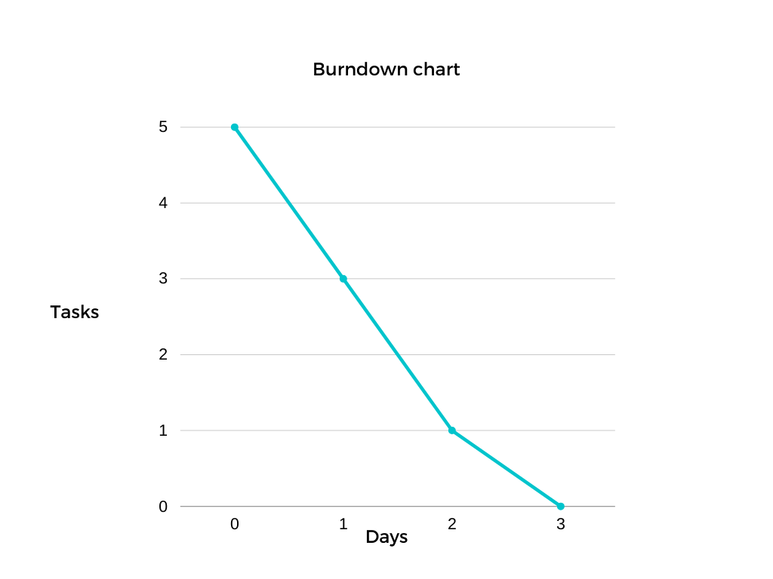
Task | Size

lot attendant verification portal | medium
Asssign permissions to functionalities | small
complete any remaining views | small
final overall reservation implementation | medium
extras if tiime allows | N/A

estimated time to completion: | 2-3 days

Burndown Chart

